Plan1
HARDWARE CONNECTION OVEN PROJECT
 | Port | Where to connect
 | SOURCE:
 | ~ | From Source 127VAC
 | ~ | From Source 127VAC
 | 24+ | From (V) IHM Communication / OPLLER HARDWARE 24VCC
 | 24- | From (G) IHM Communication / OPLLER HARDWARE GND

 | IHM COMUNICATION
 | V | From SOURCE (+)
 | G | From SOURCE (-) / DB9 MALE (5)
 | T2 | From DB9 MALE (3)
 | R2 | From DB9 MALE (2)

 | DB9 MALE
 | 2 | From IHM COMUNICATION(R2)
 | 3 | From IHM COMUNICATION (T2)
 | 5 | From IHM COMUNICATION (G) / OPLLER COMMUNICATION (GND)

 | DB9 FEMALE
 | VCC | From OPLLER COMUNICATION PORT (5V)
 | RXD | From OPLLER COMUNICATION PORT (RX)
 | TXD | From OPLLER COMUNICATION PORT (TX)
 | GND | From OPLLER COMUNICATION PORT (GND)

 | OPLLER COMUNICATION PORT
 | 5V | From DB9 FEMALE (5V)
 | GND | From DB9 MALE (GND)
 | GND | From DB9 FEMALE (GND)
 | RX | From DB9 FEMALE (RX)
 | TX | From DB9 FEMALE (TX)

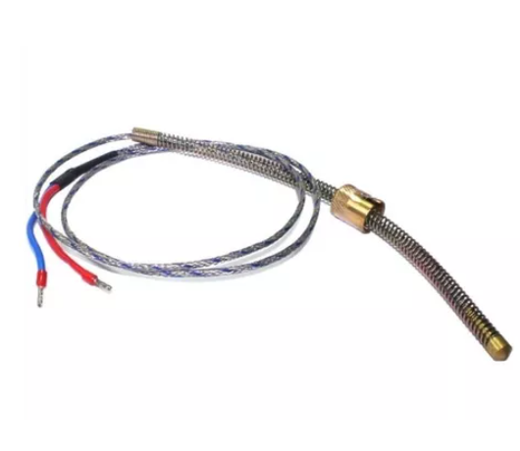 | OPLLER HARDWARE
 | 24VCC | From SOURCE (+) / COM
 | GND | From SOURCE (-)
 | COM | From OPLLER HARDWARE (24V) / TETO(3+) / LASTRO(3+)/ LAMPADA(3+) / VAPOR(3+) / COIFA(3+) / BEEP(3+)
 | Y1 | From SOLID STATE MODULE TETO (4-)
 | Y2 | From SOLID STATE MODULE LASTRO (4-)
 | Y3 | From SOLID STATE MODULE LAMPADA (4-)
 | Y4 | From SOLID STATE MODULE VAPOR (4-)
 | Y5 | From SOLID STATE MODULE COIFA (4-)
 | Y6 | From SOLID STATE MODULE BEEP (4-)
 | GND | From OPLLER HARDWARE (AT2-)
 | AT2- | From OPLLER HARDWARE (GND) / SENSOR TERMOCOUPLE J LASTRO (- BLUE)
 | AT2+ | From SENSOR TERMOCOUPLE J LASTRO (+ RED)
 | GND | From From OPLLER HARDWARE (AT1-)
 | AT1- | From OPLLER HARDWARE (GND) / SENSOR TERMOCOUPLE J TETO (- BLUE)
 | AT1+ | From SENSOR TERMOCOUPLE J TETO (+ RED)

 | TETO - SOLID STATE MODULE
 | 1(~) | From INPUT 127VAC OPEN CONTACT
 | 2(~) | From OUTPUT 127VAC OPEN CONTACT
 | 3 (+) | From OPLLER HARDWARE (COM)
 | 4 (-) | From OPLLER HARDWARE Y1

 | LASTRO - SOLID STATE MODULE
 | 1(~) | From INPUT 127VAC OPEN CONTACT
 | 2(~) | From OUTPUT 127VAC OPEN CONTACT
 | 3 (+) | From OPLLER HARDWARE (COM)
 | 4 (-) | From OPLLER HARDWARE Y2

 | LAMPADA - SOLID STATE MODULE
 | 1(~) | From INPUT 127VAC OPEN CONTACT
 | 2(~) | From OUTPUT 127VAC OPEN CONTACT
 | 3 (+) | From OPLLER HARDWARE (COM)
 | 4 (-) | From OPLLER HARDWARE Y3

 | VAPOR - SOLID STATE MODULE
 | 1(~) | From INPUT 127VAC OPEN CONTACT
 | 2(~) | From OUTPUT 127VAC OPEN CONTACT
 | 3 (+) | From OPLLER HARDWARE (COM)
 | 4 (-) | From OPLLER HARDWARE Y4

 | COIFA - SOLID STATE MODULE
 | 1(~) | From INPUT 127VAC OPEN CONTACT
 | 2(~) | From OUTPUT 127VAC OPEN CONTACT
 | 3 (+) | From OPLLER HARDWARE (COM)
 | 4 (-) | From OPLLER HARDWARE Y5

 | BEEP - SOLID STATE MODULE
 | 1(~) | From INPUT 127VAC OPEN CONTACT
 | 2(~) | From OUTPUT 127VAC OPEN CONTACT
 | 3 (+) | From OPLLER HARDWARE (COM)
 | 4 (-) | From OPLLER HARDWARE Y6

